Sheet1
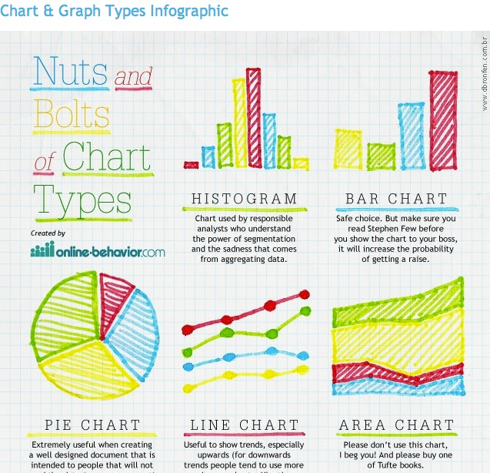
Continuous | Infinite number of values between two points. Spread, center, skew etc; show differences in intervals and ratios | Scatterplots | Show relationship between two continuous variables
Discrete | Count of a characteristic, result, item, or action. Note: They are non-Negative integers and can not be divided into smaller increments | Time Series | A time series is a sequence of numerical data points in successive order.
Categorical | Colors, college majors, Car brand. We are usually mostly interested in the rations and proportions between data | Histogram | Graph Continous Data, to see distribution
Binary | Only two values. 1s and 0s | Boxplots | displays the five-number summary of a set of data. The five-number summary is the minimum, first quartile, median,
Ordinal | Come with natural progression. There are always at least three categories | Individual Value Plots | An individual value plot shows a dot for the actual value of each observation in a group, making it easy to spot outliers and see distribution spread.
 |  | Bar Charts | Each Bar displays the count of a distinct value. The Higher a bar appear the more concentrated that value is relative to the rest of the sample
 |  | Pie Charts | This shows proportion relative to the whole
NOTES FOR ME
Interval Scale | Distance between two points is meaningful
Ratio Scales | Scale is based on a true zero
Nominal Categorical Data | Come with no Natural order just categories.
Independent Variable | Controlled Variable. It's what we are activley changing
Dependent variable | Dependent on another variable

